Sheet1
Apple Inc. | (AAPL)

 | Current Date | Dividend Date | Dividend Date (Assumption) | Dividend Date (Assumption) | Dividend Date (Assumption) | I Year Date (Target Estimate)
 | 2026-08-07 | 2026-08-12 | 2026-11-12 | 2027-02-11 | 2027-05-11 | 2027-08-07
Price | 313 | 0.27 | 0.27 | 0.27 | 0.27 | 323
Note: The dividend dates (E5:G5) and the $0.27 dividend amount (D7:G7) are assumed, based on the stability of AAPL's historical dividend payments. Source: Stock Events, https://stockevents.app/en/stock/AAPL/dividends
 |  | Days from Current Date
 | 0 | 5 | 97 | 188 | 277 | 365

Present Value | 312.9998 | 0.2699 | 0.2675 | 0.2652 | 0.2630 | 311.9343
Return (Anual) | 3.49%
Note: Return (C13) is the discount rate that equates the current price (C7) to the present value of the expected dividends plus the 1-year target price estimate (sum of D12:H12 shown in C12).
Calendar Days | 365
Working Days | 250

Sources | Yahoo Finance
 | Stock Events | https://stockevents.app/en/stock/AAPL/dividends

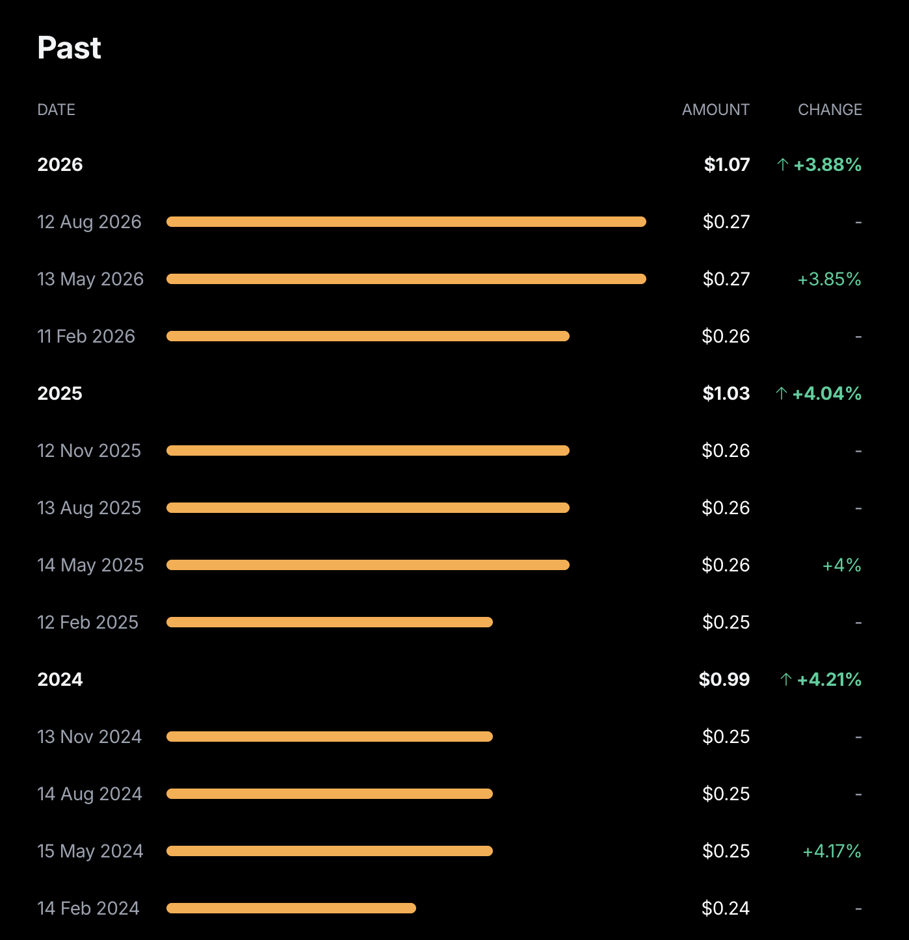
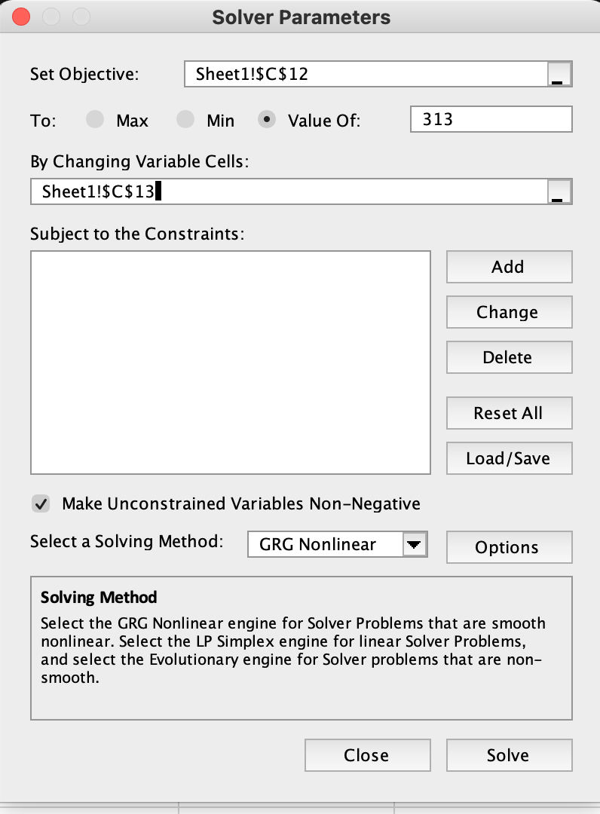
 |  |  |  |  |  | Note: Return (C13) was obtained using Excel Solver. Solver was set up to change C13 (the discount rate) so that the Present Value (C12) equals the Current Price (C7) — i.e., solving for the annual return implied by the market price given the expected dividends and 1-year target estimate. See Solver screenshots beside.

 |  |  |  |  |  | 0

